Scale_Pos_Weight Results
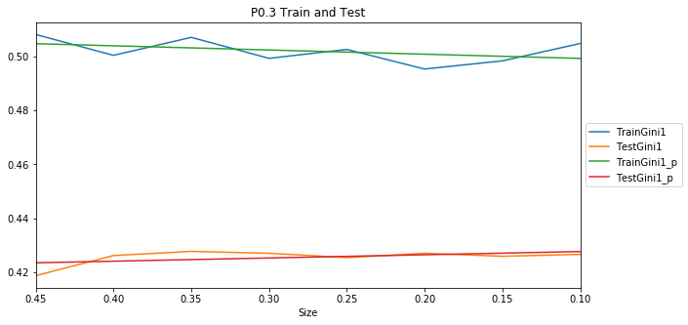
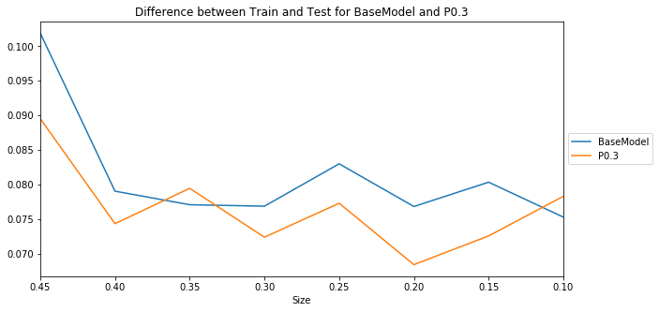
Model | S0.45 | S0.4 | S0.35 | S0.3 | S0.25 | S0.2 | S0.15 | S0.1 | Mean | t-pvalue | t-statistic | Group
BaseModel | 0.419049 | 0.424719 | 0.424875 | 0.425752 | 0.424296 | 0.425296 | 0.425168 | 0.423413 | 0.424071 | 1.00E+00 | 0 | 1
P0.1 | 0.41834 | 0.425235 | 0.426943 | 0.426592 | 0.425454 | 0.426616 | 0.425937 | 0.42542 | 0.425067 | 4.37E-01 | -0.799943 | 1
P0.2 | 0.417929 | 0.425282 | 0.427273 | 0.427086 | 0.425447 | 0.427424 | 0.425704 | 0.42609 | 0.425279 | 3.79E-01 | -0.908805 | 1
P0.3 | 0.418712 | 0.42618 | 0.427734 | 0.427014 | 0.425411 | 0.427011 | 0.425911 | 0.426619 | 0.425574 | 2.55E-01 | -1.186977 | 1
P0.4 | 0.419271 | 0.425917 | 0.427709 | 0.426465 | 0.42587 | 0.427386 | 0.426921 | 0.424779 | 0.42554 | 2.48E-01 | -1.204219 | 1
P0.5 | 0.41898 | 0.425369 | 0.426752 | 0.427098 | 0.425786 | 0.426299 | 0.425469 | 0.424832 | 0.425073 | 4.12E-01 | -0.845616 | 1
P0.6 | 0.418999 | 0.425812 | 0.426461 | 0.426955 | 0.424842 | 0.426693 | 0.426043 | 0.425101 | 0.425113 | 3.94E-01 | -0.878595 | 1
P0.7 | 0.418687 | 0.424954 | 0.425561 | 0.426974 | 0.424608 | 0.426244 | 0.425755 | 0.424034 | 0.424602 | 6.60E-01 | -0.449181 | 1
P0.8 | 0.418997 | 0.425351 | 0.425696 | 0.426421 | 0.424438 | 0.426901 | 0.425255 | 0.42364 | 0.424587 | 6.63E-01 | -0.444889 | 1
P0.9 | 0.418716 | 0.423117 | 0.425463 | 0.426707 | 0.424381 | 0.425832 | 0.425554 | 0.423731 | 0.424188 | 9.22E-01 | -0.100136 | 1
P1 | 0.419049 | 0.424719 | 0.424875 | 0.425752 | 0.424296 | 0.425296 | 0.425168 | 0.423413 | 0.424071 | 1.00E+00 | 0 | 1
P2 | 0.418904 | 0.423449 | 0.426394 | 0.426434 | 0.424064 | 0.424541 | 0.42524 | 0.424144 | 0.424146 | 9.48E-01 | -0.066509 | 1
scale_pos_weight | Mean Gini
0.1 | 0.425067
0.2 | 0.425279
0.3 | 0.425574
0.4 | 0.42554
0.5 | 0.425073
0.6 | 0.425113
0.7 | 0.424602
0.8 | 0.424587
0.9 | 0.424188
1 | 0.424071
2 | 0.424146

Best

NoBalancing Results
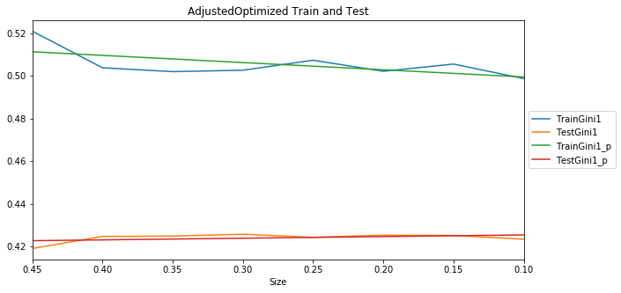
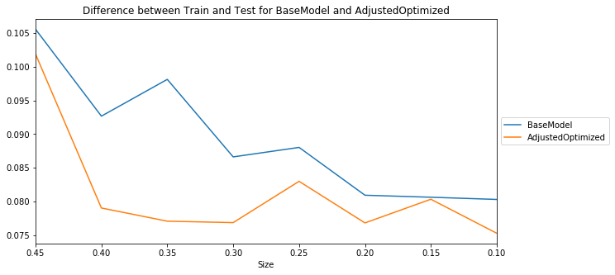
BaseModel feature set
Model | S0.45 | S0.4 | S0.35 | S0.3 | S0.25 | S0.2 | S0.15 | S0.1 | Mean | t-pvalue | t-statistic | Group
OriginalWorking | 0.419021 | 0.425924 | 0.426521 | 0.426068 | 0.424281 | 0.42482 | 0.42648 | 0.427266 | 0.425048 | 1.00E+00 | 0 | 1
Default | 0.4006 | 0.405334 | 0.412495 | 0.411075 | 0.408524 | 0.408693 | 0.410782 | 0.413718 | 0.408903 | 2.75E-07 | 9.155781 | 3
NewWorking | 0.417902 | 0.425104 | 0.427078 | 0.426209 | 0.425776 | 0.426236 | 0.426257 | 0.424656 | 0.424902 | 9.18E-01 | 0.10478 | 1
AdjustedOptimized | 0.419049 | 0.424719 | 0.424875 | 0.425752 | 0.424296 | 0.425296 | 0.425168 | 0.423413 | 0.424071 | 4.28E-01 | 0.816042 | 1
 | 0.419878 | 0.42759 | 0.428932 | 0.427822 | 0.425791 | 0.42879 | 0.426329 | 0.423948 | 0.42613
ShortBestModel2 feature set
Model | S0.45 | S0.4 | S0.35 | S0.3 | S0.25 | S0.2 | S0.15 | S0.1 | Mean | t-pvalue | t-statistic | Group
OriginalWorking | 0.415757 | 0.422699 | 0.423149 | 0.422739 | 0.421693 | 0.418761 | 0.421372 | 0.426054 | 0.421528 | 1 | 0 | 1
Default | 0.393034 | 0.400198 | 0.407277 | 0.404134 | 0.406881 | 0.407303 | 0.402593 | 0.420572 | 0.405249 | 0.000082 | 5.471158 | 3
NewWorking | 0.414409 | 0.421785 | 0.424541 | 0.424325 | 0.422334 | 0.421961 | 0.420759 | 0.424 | 0.421764 | 0.884099 | -0.148457 | 1
AdjustedOptimized | 0.415001 | 0.421356 | 0.424015 | 0.423754 | 0.421706 | 0.421081 | 0.41914 | 0.423932 | 0.421248 | 0.85784 | 0.182457 | 1

best

NoBalancing ShortBaseM2 Visuali
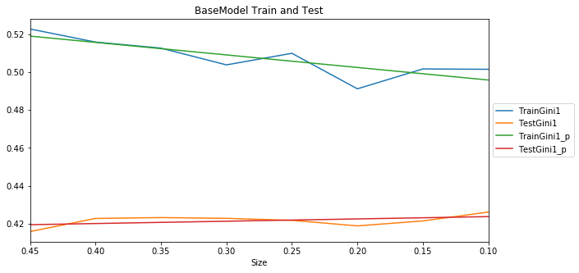
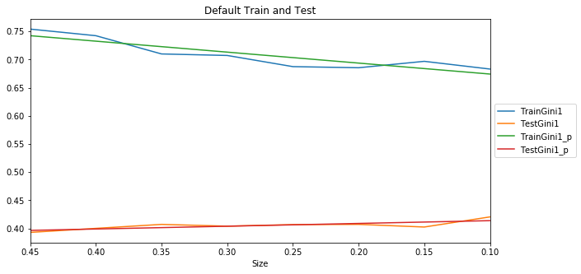
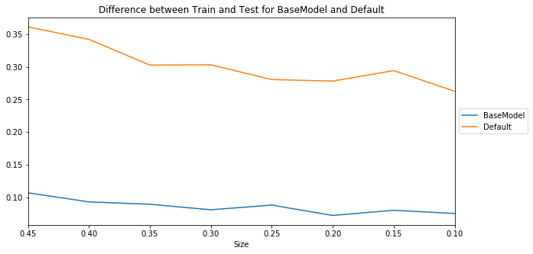
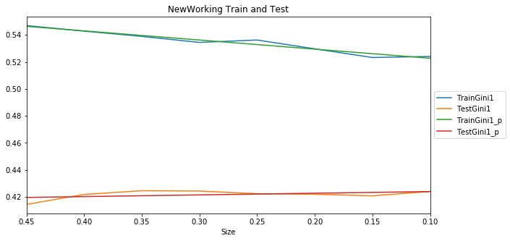
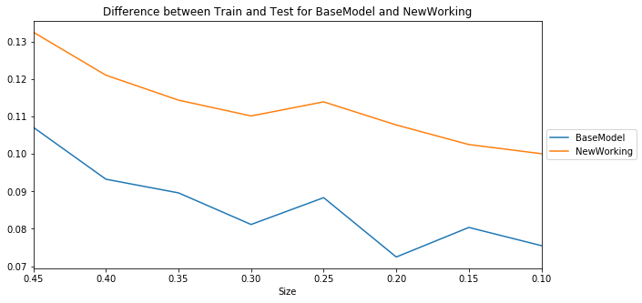
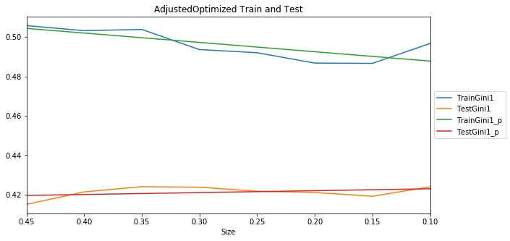
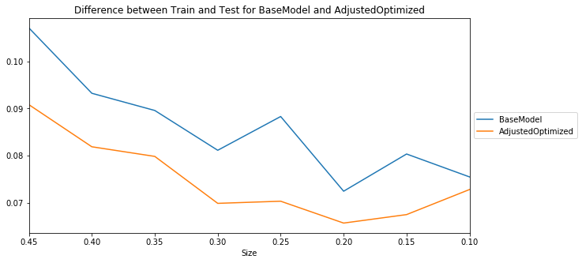
Original Working

NoBalancing BaseM Visualization
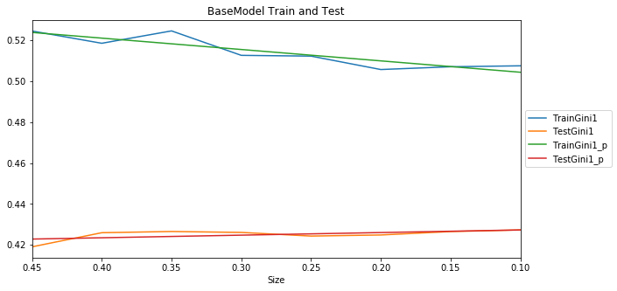
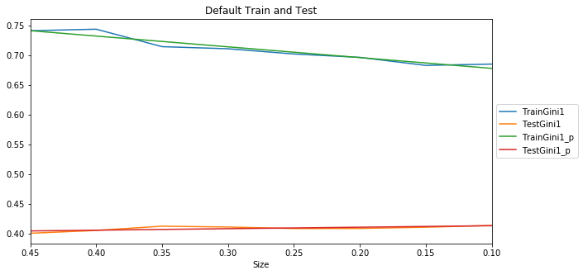
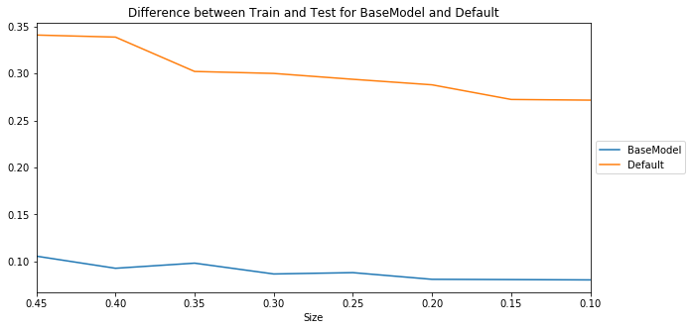
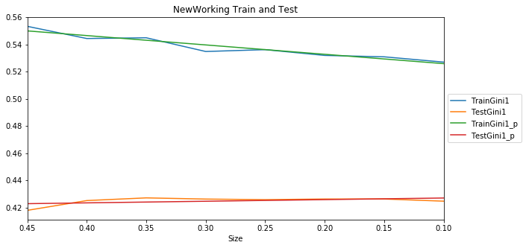
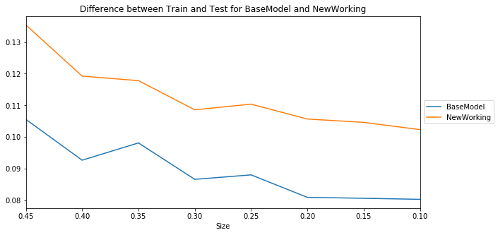
Original Working

OrigWorkingParams Visualization
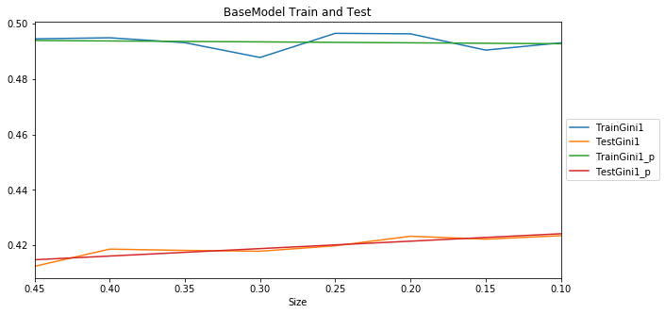

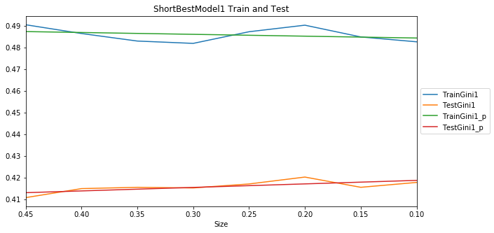
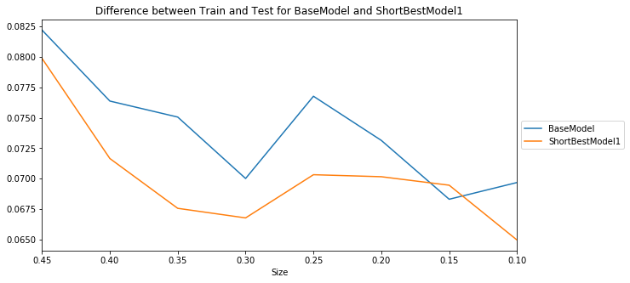

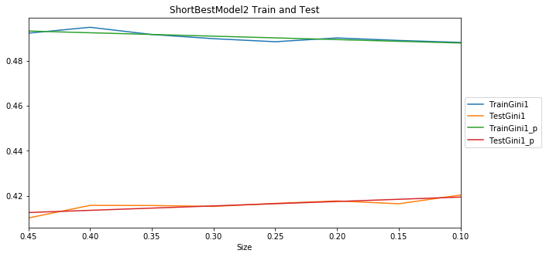
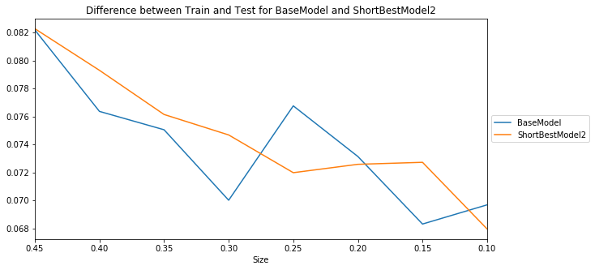

AdjOptParams Visualization
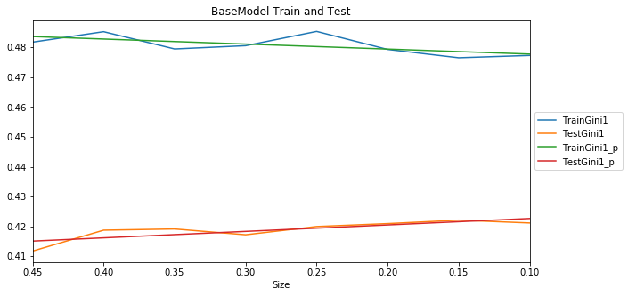
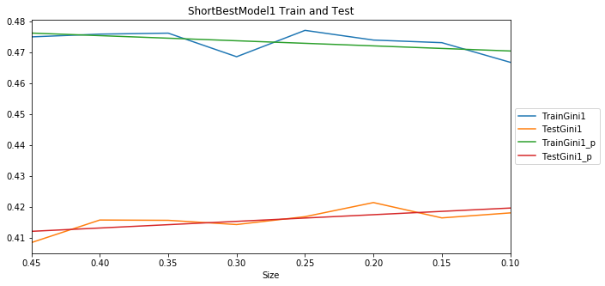
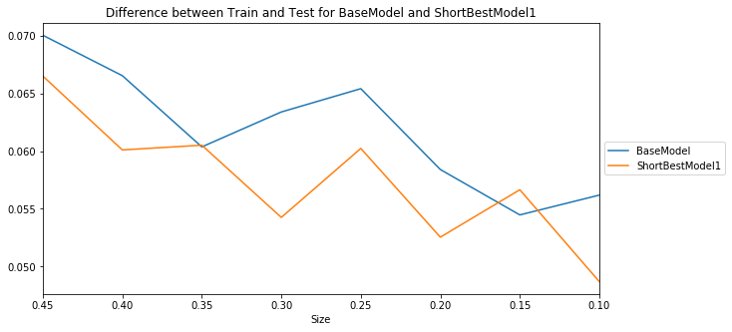
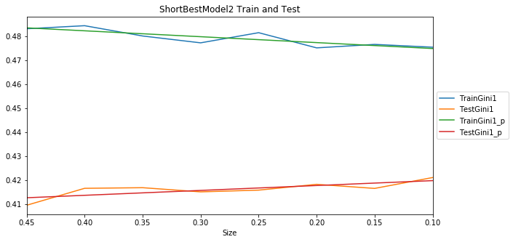
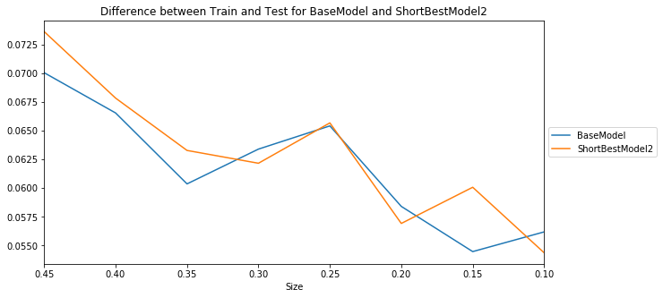
No balancing

Visualization Best Models Found
Model | Comment | Model Train and Test Gini for different test sizes | Difference betweeen Train and test for BaseModel and analyzed Model
BaseModel | The highest Gini | 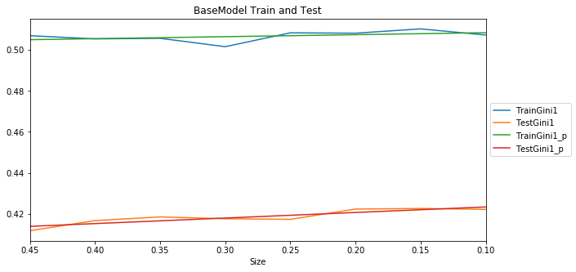

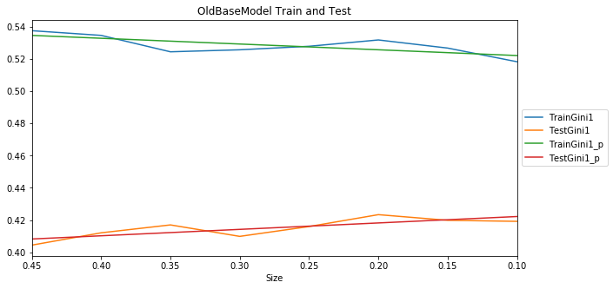
OldBaseModel | The Gini is less then in the new BaseModel, but statistically not significant. There are more features and Difference between Train and Test Gini is higher then in the new BaseModel |  | 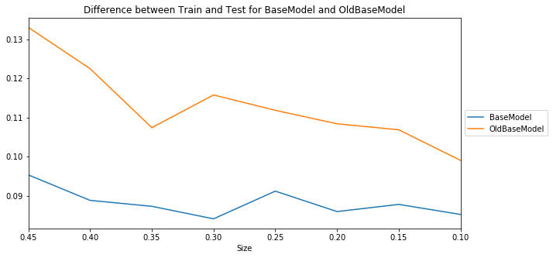

ShortBestModel1 (No_acci_pointschargedterm) | The Gini is less then in the new BaseModel, but statistically not significant. Difference between Train and Test Gini is almost the same as in the new BaseMode e.g. overfitting level is the same as in the new BaseModel | 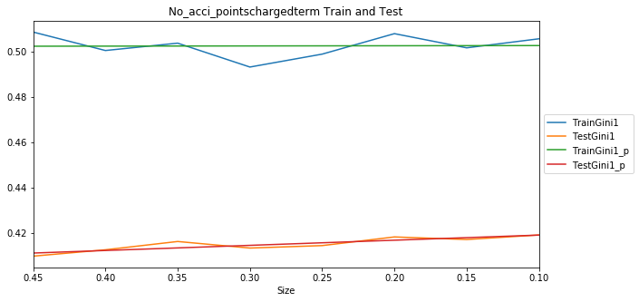 | 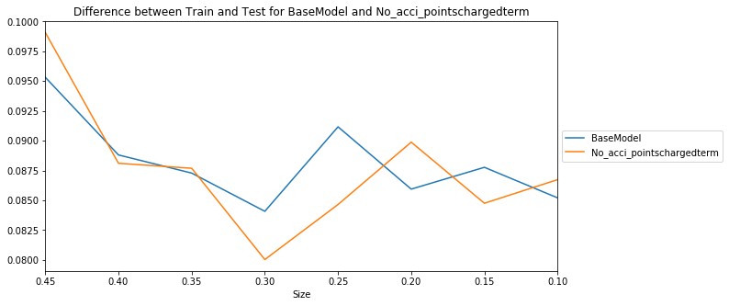

ShortBestModel2 (No_enginecylinders2) | The Gini is less then in the new BaseModel, but statistically not significant. Difference between Train and Test Gini is less then in the new BaseModel. | 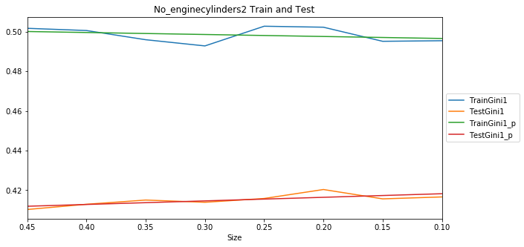 | 